1. Own Sources
Example of Supporting Documentation for Volume from Own Sources

Finished Water Meter
 | Treatment Plant Production (UNITS = AF)
 | Month | Raw Water Influent | Backwash Estimation | Finished Water Meter
 | 2019-01-01 | 848.89 | 16 | 830.86
 | 2019-02-01 | 908.28 | 11 | 897.14
 | 2019-03-01 | 1,058.18 | 14 | 1,043.54
 | 2019-04-01 | 1,125.35 | 32 | 1,093.56
 | 2019-05-01 | 1,255.24 | 11 | 1,244.37
 | 2019-06-01 | 1,388.79 | 15 | 1,373.17
 | 2019-07-01 | 1,291.26 | 11 | 1,280.91
 | 2019-08-01 | 1,189.45 | 14 | 1,175.14
 | 2019-09-01 | 1,165.57 | 18 | 1,147.21
 | 2019-10-01 | 955.83 | 12 | 943.50
 | 2019-11-01 | 882.48 | 15 | 858.34
 | 2019-12-01 | 961.41 | 18 | 943.22
 | Audit Total | 13,030.72 | 187 | 12,830.96
Reminders for Volume from Own Sources Supporting Documentation:
* volume produced per meter by month
* measuring raw or treated water?
* any backwash or flow to waste setups to account for?
 | NOTES
 | * Raw Water Influent meter measures flow into the treatment plant, 6" mag meter, SCADA readings provide 15-min average flows but no totalizer, used for plant operations
 | * Backwash meter measures diversion from finished water line back into the plant. This is located before the finished water meter
 | * Finished Water Meter captures treatment plant effluent conveyed into distribution. Totalizer manual reads taken daily alongside SCADA logging.

2. VoS, WI, WE
Example of Supporting Documentation for all Water Supplied Volumes

 | Volume from Own Sources, Water Imported, Water Exported UNITS = MG
 | Month | Import M-1 | Well 1 | Well 2 | Well 3 | Export E-1 | Monthly Distribution Totals
 | 2019-01-01 | 202.11 | 5.75 | 60.58 | 36.22 | - | 304.67
 | 2019-02-01 | 185.45 | 2.03 | 37.67 | 32.58 | - | 257.74
 | 2019-03-01 | 178.74 | 1.49 | 34.31 | 32.04 | - | 246.59
Reminders for Water Supplied (VOS, WI, WE) Supporting Documentation:
* volume produced per meter by month
* measuring raw or treated water?
* any backwash or flow to waste setups to account for?
* any water-wheeling or special arrangments to account for?
 | 2019-04-01 | 171.39 | - | 25.15 | - | 5.18 | 191.36
 | 2019-05-01 | 123.00 | 2.31 | 39.35 | 32.85 | 45.79 | 151.72
 | 2019-06-01 | 49.11 | 5.43 | 58.60 | 35.91 | 22.46 | 126.58
 | 2019-07-01 | 31.56 | 34.60 | 23.82 | 64.49 | - | 154.46
 | 2019-08-01 | 7.29 | 31.94 | 22.20 | 61.89 | - | 123.32
 | 2019-09-01 | 6.06 | 31.22 | 21.70 | 61.18 | - | 120.17
 | 2019-10-01 | 58.44 | 35.56 | 24.43 | 65.44 | - | 183.87
 | 2019-11-01 | 170.61 | - | 55.48 | 30.59 | - | 256.68
 | 2019-12-01 | 171.39 | - | 25.15 | - | - | 196.54
 | Audit Total | 1,355.15 | 150.34 | 428.44 | 453.19 | 73.43 | 2313.69
 |  |  |  |  |  |  |  | Water Audit Software Totals
 | Source | Notes |  |  |  |  |  | Volume from Own Sources: | 1,031.97 | MG
 | Import M-1 | All imported water comes through M-1, billed amounts shown here, hourly SCADA reads available for cross-reference, bi-annual calibration, no testing |  |  |  |  |  | Water Imported: | 1,355.15 | MG
 | Well 1 | Each well pump has a 6" mag meter that's electronically calibrated once per year, all installed in 2013, daily manual reads and weekly compilation of well production data |  |  |  |  |  | Water Exported: | 73.43 | MG
 | Well 2
 | Well 3
 | Export E-1 | Flow provided to neighboring agency in the fall/winter when needed

3. AC
Example of Supporting Documentation for Billed Metered Authorized Consumption

Reminders for Billed Metered Authorized Consumption (BMAC) Supporting Documentation:
* volume billed per customer class (or rate code, or account type) by month
* highlight and exclude any non-potable customer classes
* highlight any customer classes (like water utility or facility use) that does not generate revenue (unbilled!)
 | Water Sold, UNITS = MG
 | Month | 2019-01-01 | 2019-02-01 | 2019-03-01 | 2019-04-01 | 2019-05-01 | 2019-06-01 | 2019-07-01 | 2019-08-01 | 2019-09-01 | 2019-10-01 | 2019-11-01 | 2019-12-01 | 2019 TOTAL
 | Single Family Residential | 38.42 | 28.18 | 42.15 | 47.77 | 48.99 | 52.18 | 59.73 | 51.48 | 42.54 | 41.15 | 32.15 | 34.45 | 519.19
 | Multi Family Residential | 18.54 | 17.84 | 18.49 | 17.65 | 19.29 | 21.34 | 24.37 | 19.89 | 19.68 | 16.90 | 15.53 | 15.01 | 224.52
 | Commericial/Institutional | 8.78 | 8.96 | 10.84 | 13.01 | 12.91 | 11.80 | 12.94 | 11.81 | 12.28 | 10.84 | 12.94 | 13.59 | 140.69
 | Industrial | 1.40 | 1.50 | 1.20 | 1.10 | 1.60 | 1.80 | 1.50 | 1.60 | 1.20 | 1.40 | 1.40 | 1.40 | 17.10
 | Landscape Irrigation | 2.54 | 4.82 | 8.42 | 10.48 | 11.94 | 12.71 | 14.45 | 12.45 | 10.98 | 11.11 | 9.92 | 7.45 | 117.27
 | Municipal | 2.22 | 2.25 | 2.56 | 2.93 | 2.91 | 2.73 | 2.92 | 2.73 | 2.81 | 2.56 | 2.92 | 3.03 | 32.56
 | Water Department | 1.50 | 1.55 | 1.05 | 1.66 | 1.20 | 1.71 | 1.55 | 1.50 | 2.13 | 1.22 | 1.38 | 0.82 | 17.27
 | Recycled | 10.08 | 8.04 | 10.83 | 11.95 | 12.20 | 12.84 | 14.35 | 12.70 | 10.91 | 10.63 | 8.83 | 9.29 | 132.64

 | WATER AUDIT TOTALS
 | excludes recycled water accounts

 | Billed Metered Authorized Consumption: |  |  | 1,051.33 | MG | includes SF Residential, MF Residential, Commerical/Institutional, Industrial, Landscape Irrigation (potable), and Municpal uses
 | Billed Unmetered Authorized Consumption: |  |  | N/A |  | all billed customers have a meter
 | Unbilled Metered Authorized Consumption: |  |  | 17.27 | MG | this includes our own facility use; all metered and read monthly but not revenue generating
 | Unbilled Unmetered Authorized Consumption: |  |  |  |  | this includes minimal flushing, fire-fighting, and fire-flow testing - we currently do not track so default applied

Potable Monthly Consumption By Customer Class

4. Schematic
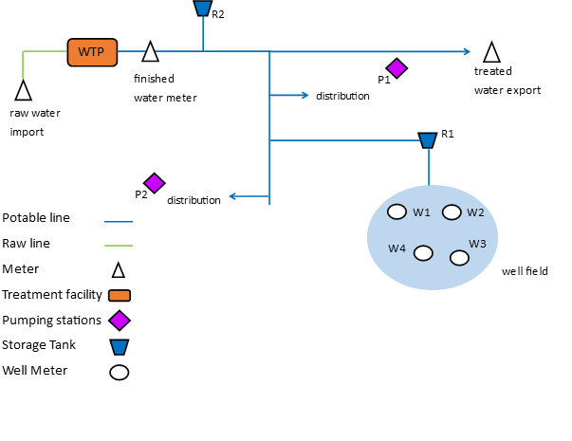

Meter Accuracy Report
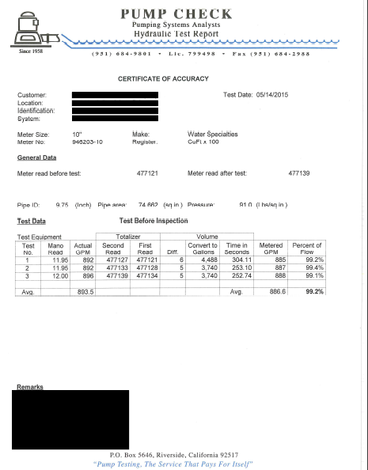

Electronic Calibration Report
